Sheet1
Start Time of Test |  | 8:03:00 | Date of Test | 2024-11-06 | End Time of Test | 18:00:00 |  |  | DATA TO USE for this Script Test
Barnes M3 - Test Script and Scenario
Scenario and Story Lines as a Script for Testing
Version: 1.1
Infor M3 - Script Testing |  | M3 / SalesForce | Script Story Line
Test Company: Barnes |  | Barnes - 910 | Run initial load to sync items from M3 to Salesforce and this wat create products, standard PB and Maumee PB. For details see TAR-040 SalesForce Developer Sandbox: https://bginc--devfmc.sandbox.my.salesforce.com SalesForce Partcopy (UAT) Environment: https://bginc--partcopy.sandbox.my.salesforce.com
Test Environment Name: |  | CRP1 910/088
SCRIPT ID: |  | SCRIPT SFA06
WORK STREAM: |  | Sales, SalesForce Integration
Below is a short description of how this testing method will take place at Barnes
The Test Script will be done during normal working hours, we want to make it as reaslistic as possible. Step 1 is the beginning. It has an assigned department. This Script will be sent to that department, and the test begins. That department goes into M3 and completes the assigned task. Documenting the outcome on that line. Enter any Needed Doc#, CO#, PO#, etc. When the department has completed the line assigned, they email this test script to the next department tester on this script. This process continues on until you reach the last step. This is a quick test at each stop of the Script. The Last person on this test script once their task is complete..will email the script document to Sonja Scheuer for evaulation. |  |  |  |  |  |  |  | TAR-040-M3 Initial Load of Products and Pricebook to Salesforce(PARTCOPY) - Technical Specification 1.0.docx

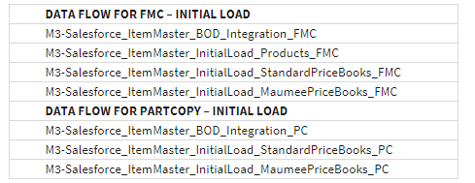

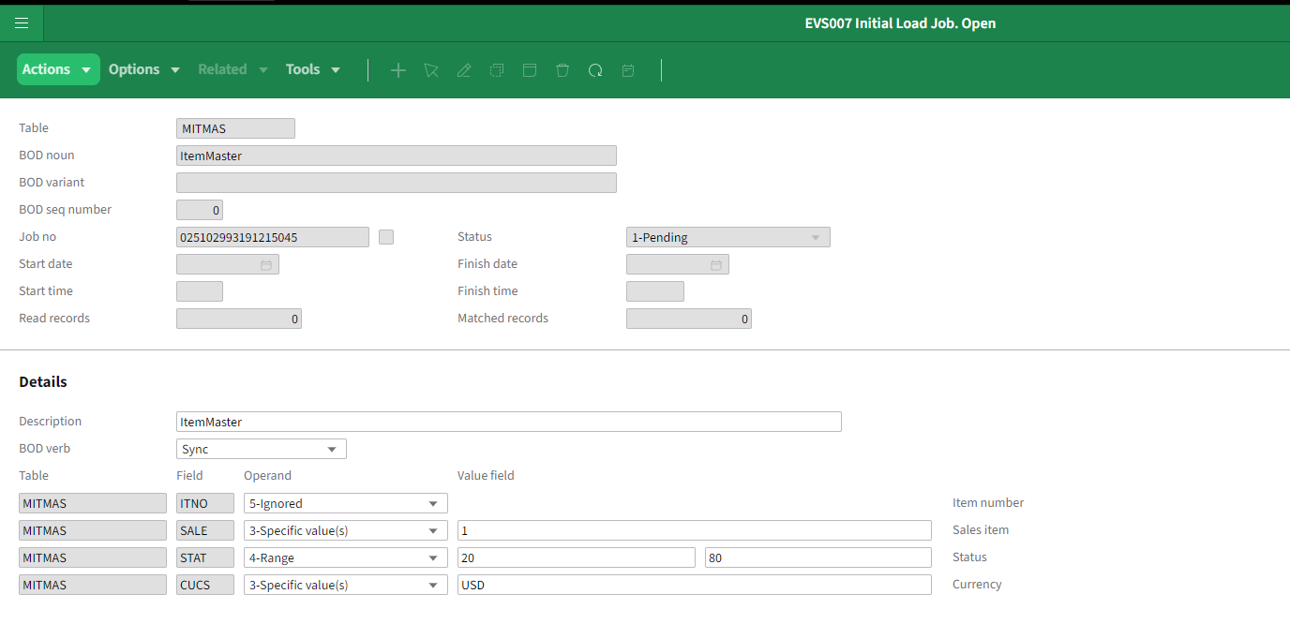
*** |  | DOCUMENTATION OF TESTING
Activity | Steps | Expected Outcome | Department | Actual Outcome & DOC#'s | Tester Name | Comments | Pass/ Fail
1 | Turn off all Salesforce data flows in In Infor OS, go to ION>Connect>Data Flows. Deactivate the document flows that are related to loading items+pricebook and the document flow that loads pricebook alone | Dataflows inactive | ERP Admin | all are off | Daniel Lindblad |  | Pass
2 | Activate document flow. For Products its: to load Products to Salesforc: M3-Salesforce_ItemMaster_InitialLoad_Products_PC | Data flow active | ERP Admin | Active | Daniel Lindblad |  | Pass
3 | Go to M3 and make sure you are in Company 910/088. start program EVS006. Select MITMAS and Run. - ITNO = Ignore - SALE = 1 - STAT = 20 - CUCS = USD | Initial load started 0814 and items loaded in SF. 105727 items sent from M3 to SF | ERP Admin | 105715 in SF | Daniel Lindblad | Started 08.14 and finished aroung 13.00. So approx 5h. | Pass
4 | Check that data is beeing loaded in SF and wait until no more products or PB records are beeing loading inte SF. It will take a few hours. | Data loading in SF and finish. | ERP Admin / SalesForce Admin | 105715 in SF | Daniel Lindblad |  | Pass
5 | Deactivate the data flow | Data flow inactive | ERP Admin | off | Daniel Lindblad |  | Pass
6 | Do step 2 - 5 for Standard Price books. Data flow M3-Salesforce_ItemMaster_InitialLoad_StandardPriceBooks_PC | Standard PB laoded in SF | ERP Admin / SalesForce Admin | Std PB loaded | Daniel Lindblad | Started 14.00 end 16.00 | Pass
7 | Do step 2 - 5 for Standard Price books. Data flow M3-Salesforce_ItemMaster_InitialLoad_MaumeePriceBooks_PC | Maumee PB loaded in SF | ERP Admin / SalesForce Admin | Maumee PB loaded | Daniel Lindblad | Started 16.00 end 18.00 | Pass
8 | Activate data flow for standard integration M3-Salesforce_ItemMaster_BOD_Integration_PC | Standard integration active | ERP Admin | Active | Daniel Lindblad |  | Pass
9
10
11
12
13
14
15
16

Test SIT
S

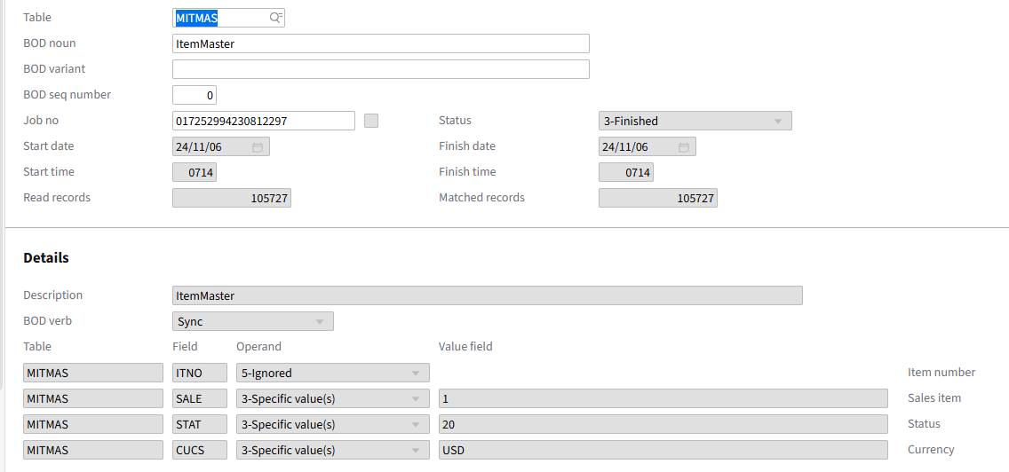

ION Done

